PIM Screenshots
ID | Screenshot
Bug id 3 | 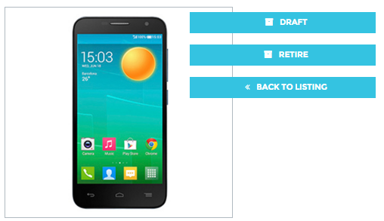
Bug ID 5 | 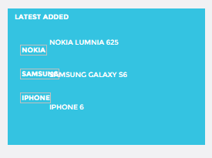
Bug ID 6
Bug ID 7
Bug ID 8
Bug ID 10 | 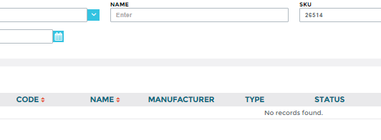
Bug ID 11
Bug ID 19 | 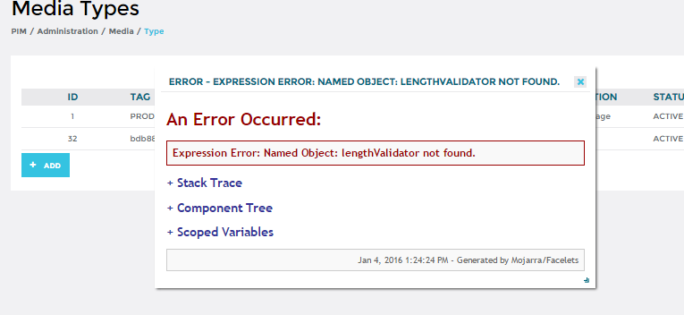
Bug ID 20 | 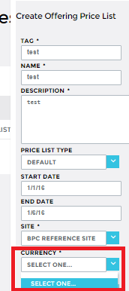
Bug ID 22
Bug ID 24
Bug ID 25 | 
Bug ID 28

Bug ID 31 | 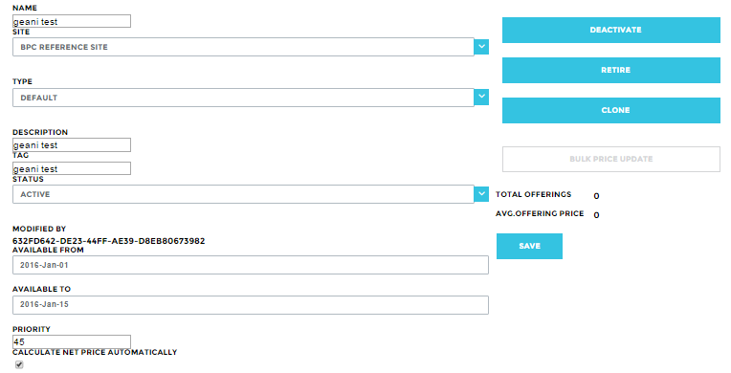
Bug ID 33 | 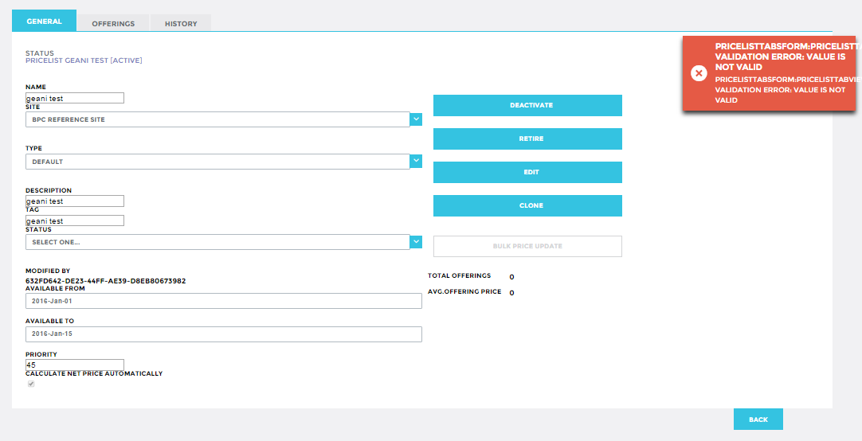
52 | 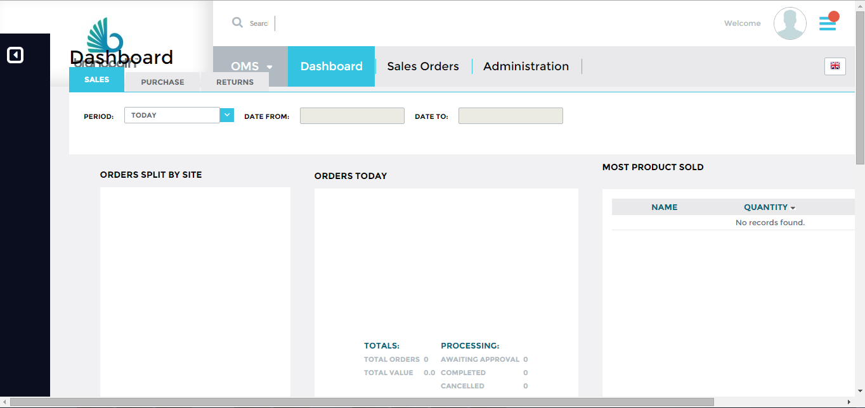
 | 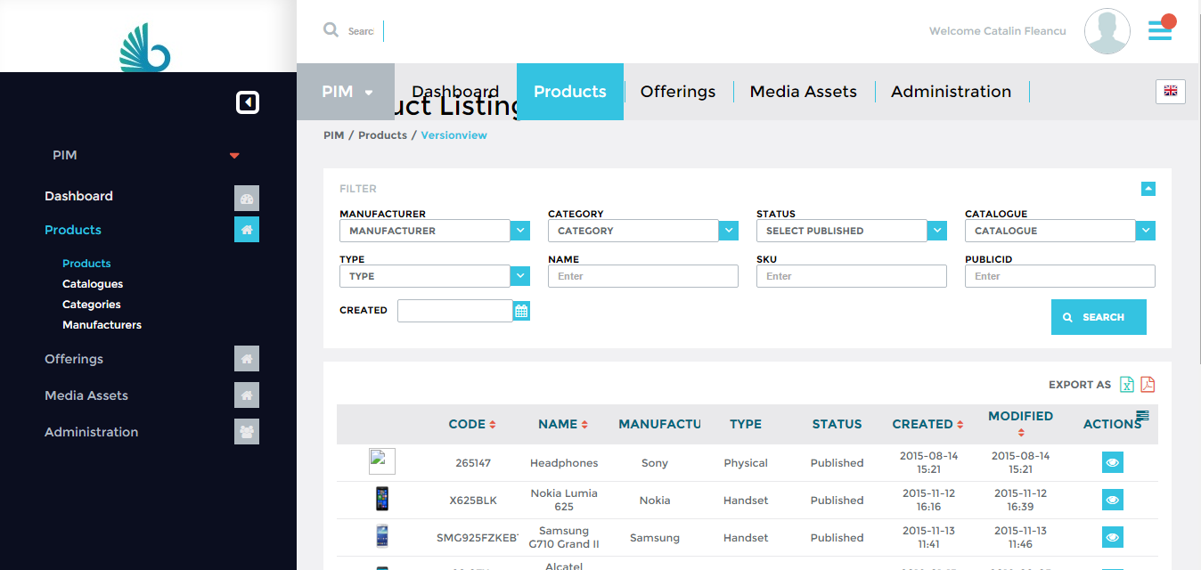
53 | 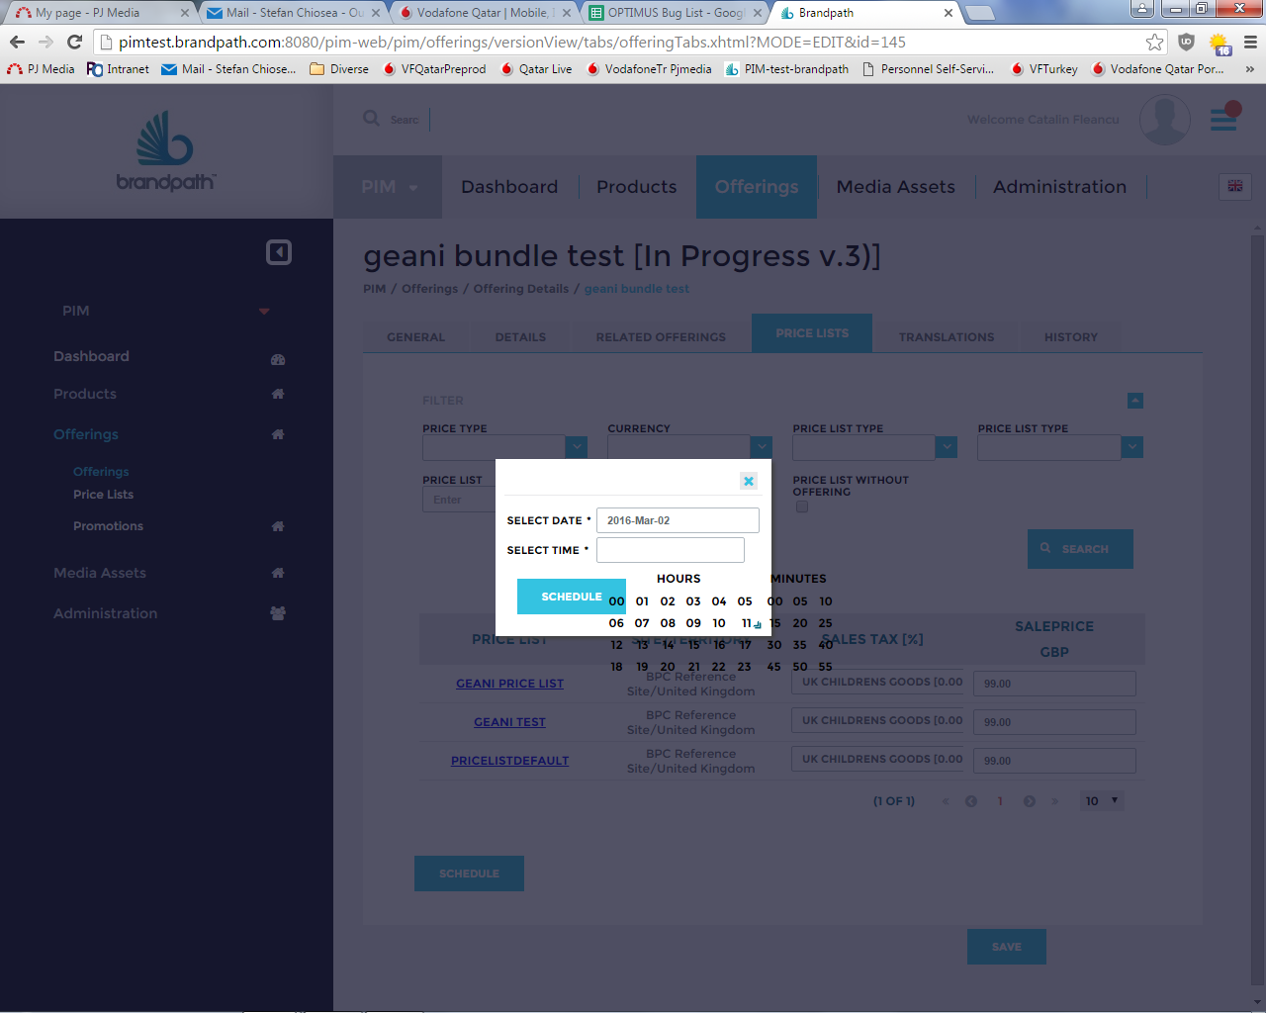
54 | 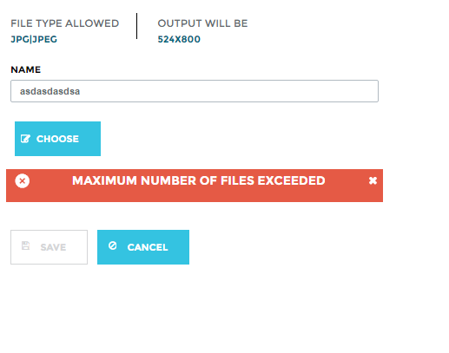 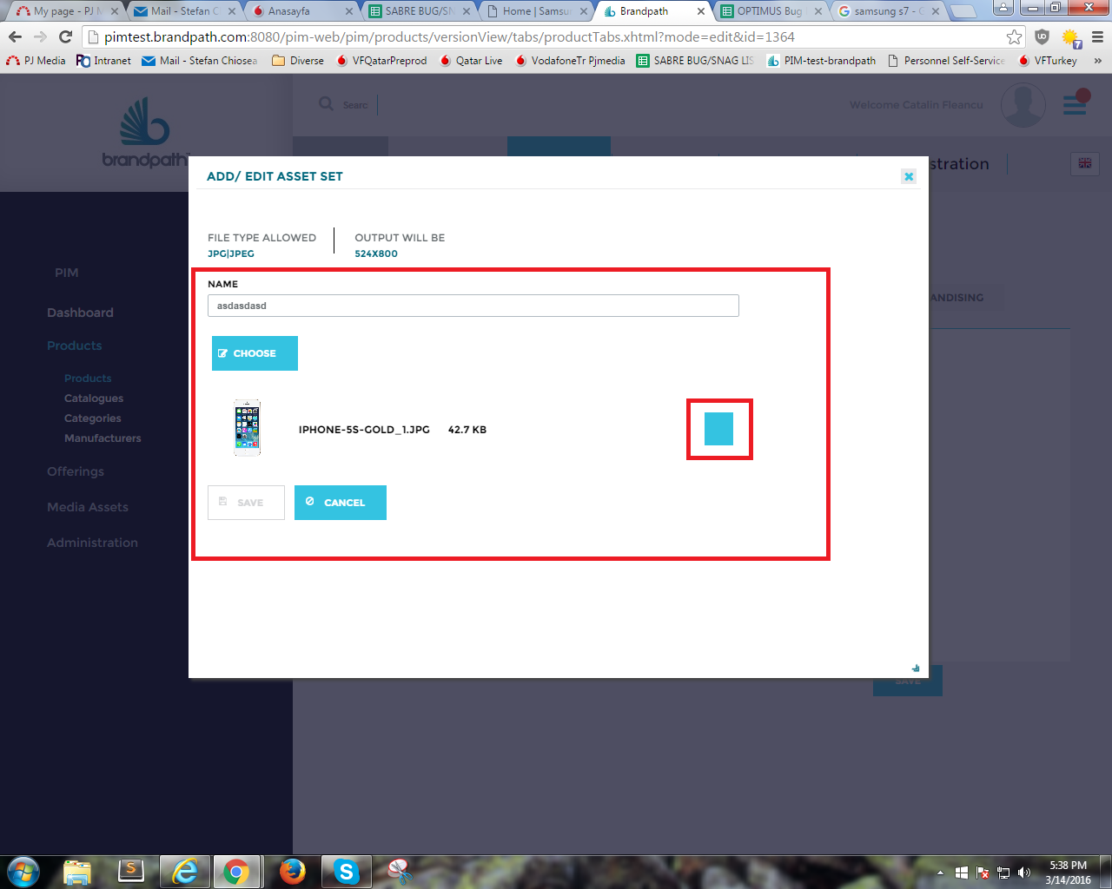
111

